CUSTOMER SHEET

STMicroelectronics multizone Time-of-Flight aperture calculator

SETTINGS

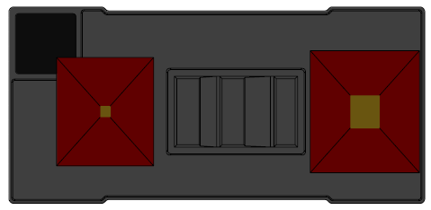
x
y
Roll
Pitch
Sensor selection
Item |  | Value |  | Description
Sensor |  | VL53L8 |  | Supported devices are VL53L5, L7, L8, L9

The X dimension refers to the direction between the emitter and transmitter
The Y dimension refers to the width of the transmitter or emitter
Coverglass parameters
Item |  | Value |  | Description
Coverglass thickness |  | 0 |  | in millimeters
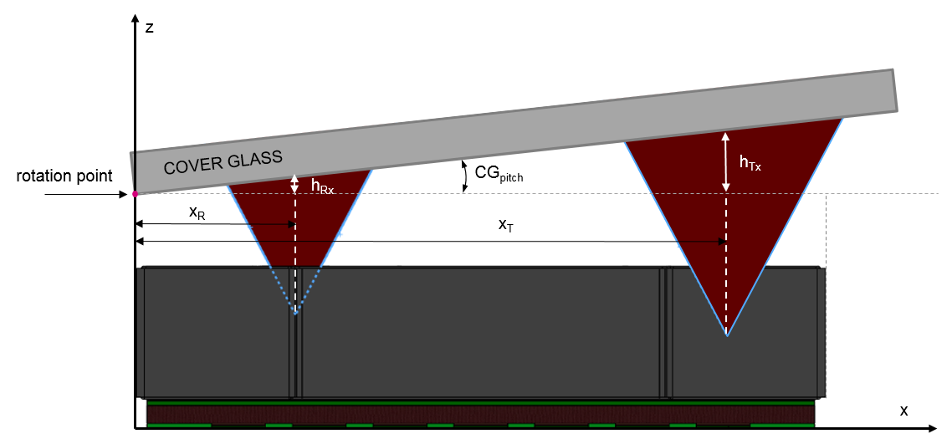
Coverglass refractive index |  | 1.5 |  | no unit
Coverglass pitch y axis angle - not recommended |  | 0 |  | in degrees
Coverglass roll x axis angle |  | 7 |  | in degrees

Pitch is the angle of deflection from horizontal above the emitter/transmitter
The pitch is defined around the y-axis
Industrial design parameters
Item |  | Value |  | Description
Airgap |  | 0.81 |  | in millimeters
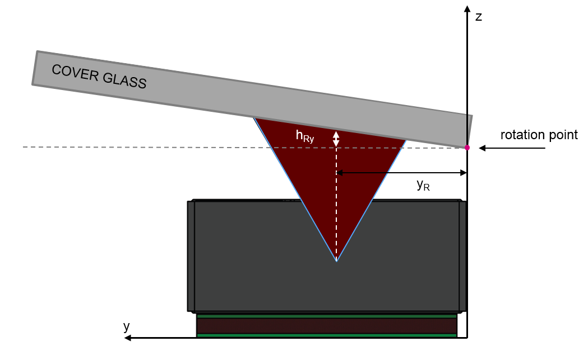
Airgap/gasket refractive index |  | 1 |  | no unit

Manufacturing tolerances
Item |  | Value |  | Description
X, Y tolerances |  | 300 |  | in micrometers
Roll is the angle of deflection from horizontal above the emitter/transmitter
The roll is defined around the x-axis
Z tolerance |  | 0.2 |  | in millimeters
Rotation tolerance |  | 0 |  | in degrees

RESULTS - automatically computed

Two circles (red circles) | Diameter (mm) |  | Circle center offset vs Optical axis (Xc) (mm) |  | Circle center offset vs Optical axis (Yc) (mm)
Emitter | 3.68 |  | 0.00 |  | 0.15
Receiver | 3.64 |  | 0.00 |  | 0.14
D2
D1
D2
D1
y_{ce}
x_{ce}
Oe
+
y_{cr}
x_{cr}
Or
+

Single oval (blue shape) | Size (mm) |  | Circle center offset vs Optical axis (Xce) (mm) |  | Circle center offset vs Optical axis (Yce) (mm)
Emitter | 7.66 |  | 0.00 |  | 0.15
Receiver | 3.68 |  | N/A |  | N/A
D2
D1
D2
D1
y_{ce}
x_{ce}
Oe
+
Or
+
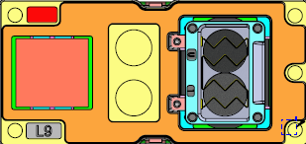
D2
D1
D2
D1
y_{ce}
x_{ce}
Oe
+
Or
+

VL53L5CX / VL53L7 / VL53L8
VL53L9CX

Two rectangles (red) | X size (mm) | Y size (mm) |  | Rectangle center offset vs optical axis (Xc) (mm) | Rectangle center offset vs optical axis (Yc) (mm)
Emitter | 2.62 | 2.47 |  | 0.00 | 0.07
Receiver | 2.59 | 2.44 |  | 0.00 | 0.07
D2
D1
D2
D1
y_{ce}
x_{ce}
Oe
+
y_{cr}
x_{cr}
Or
+

Single Rectangle | X size (mm) | Y size (mm) |  | Rectangle center offset vs optical axis (Xce) (mm) | Rectangle center offset vs optical axis (Yce)) (mm)
Aperture size | 6.60 | 2.47 |  | 0.00 | 0.07
D2
D1
D2
D1
y_{ce}
x_{ce}
Oe
+
Or
+

